ARMANI JEANS BAGS
Num | IMAGE | DESCRIPTION | FAMILY | COLOUR | PRICE IN STORE | OFFER PRICE | AVAILABLE QTY | PRODUCT REFERENCE | EAN CODE | ORDER | -
3 | 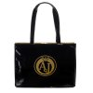 | Armani Jeans Bag | Bags | Black-Gold | 90.00 € | 38.00 € | 23 | 922160-6A735-03420 | 8053320807165
4 | 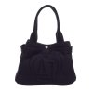 | Armani Jeans Bag | Bags | Navy blue | 115.00 € | 40.00 € | 39 | 922164-6A753-00035 | 8056685216634
5 | 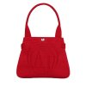 | Armani Jeans Bag | Bags | Red | 115.00 € | 40.00 € | 40 | 922164-6A753-00074 | 8056685216641
6 | 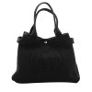 | Armani Jeans Bag | Bags | Black | 120.00 € | 40.00 € | 22 | 922165-6A753-00020 | 8056685216702
7 | 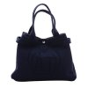 | Armani Jeans Bag | Bags | Navy blue | 120.00 € | 40.00 € | 29 | 922165-6A753-00035 | 8056685216719
8 | 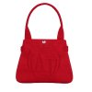 | Armani Jeans Bag | Bags | Red | 120.00 € | 40.00 € | 38 | 922165-6A753-00074 | 8056685216726
9 | 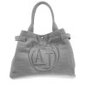 | Armani Jeans Bag | Bags | Grey | 120.00 € | 40.00 € | 22 | 922165-6A753-01831 | 8056685216764
10 | 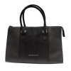 | Armani Jeans Bag | Bags | Black | 170.00 € | 55.00 € | 65 | 922923-6AHOC-00020 | 8054523492134
11 | 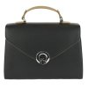 | Armani Jeans Bag | Bags | Black | 180.00 € | 55.00 € | 6 | 922111-6A730-41620 | 8053320802641
12 | 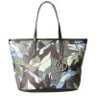 | Armani Jeans bag | Bags | Multicolour | 300.00 € | 81.00 € | 3 | 922029-6A714-18940
13 | 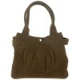 | Armani Jeans Bag | Bags | Brown | 115.00 € | 40.00 € | 4 | 922164-6A753-00984 | 8056685216672
14 | 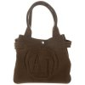 | Armani Jeans Bag | Bags | Brown | 120.00 € | 40.00 € | 4 | 922165-6A753-00984 | 8056685216757
15 | 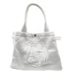 | Armani Jeans Bag | Bags | White | 120.00 € | 40.00 € | 1 | 922165-6A753-00010 | 8056685216702
16 | 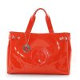 | Armani Jeans bag | Bags | Red | 150.00 € | 51.00 € | 6 | 05291-55-4Y | 8057744291371
17 | 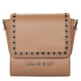 | Armani Jeans bag | Bags | Brown | 200.00 € | 63.00 € | 1 | 922151-6A715-11955 | 8053320807110
18 | 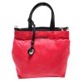 | Armani Jeans bag | Bags | Red | 200.00 € | 63.00 € | 2 | 922156-6A729-17574 | 8053320802726
19 | 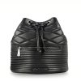 | Armani Jeans Bag | Backpack | Black | 160.00 € | 51.00 € | 59 | 922920-6AHOC-00020 | 8054523492103
20 | 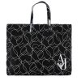 | Armani Jeans Bag | Shopping Bags | Black | 80.00 € | 40.00 € | 98 | 922552-CC860-00020 | 8053320986600
21 | 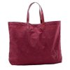 | Armani Jeans Bag | Shopping Bags | Garnet | 80.00 € | 40.00 € | 86 | 922552-CC860-00176 | 8053320986617
22 | 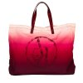 | Armani Jeans Bag | Shopping Bags | Garnet-pink | 80.00 € | 40.00 € | 81 | 922552-CC862-07476 | 8053320986679
23 | 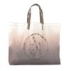 | Armani Jeans Bag | Shopping Bags | Gris-beige | 80.00 € | 40.00 € | 81 | 922552-CC862-13653 | 8053320986686
24 | 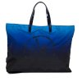 | Armani Jeans Bag | Shopping Bags | Blue | 80.00 € | 40.00 € | 75 | 922552-CC862-36135 | 8053320986693
 |  |  |  |  |  |  | 785

